Cover Page
 |  | 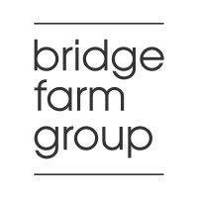
 |  |  |  |  | Version 20.5

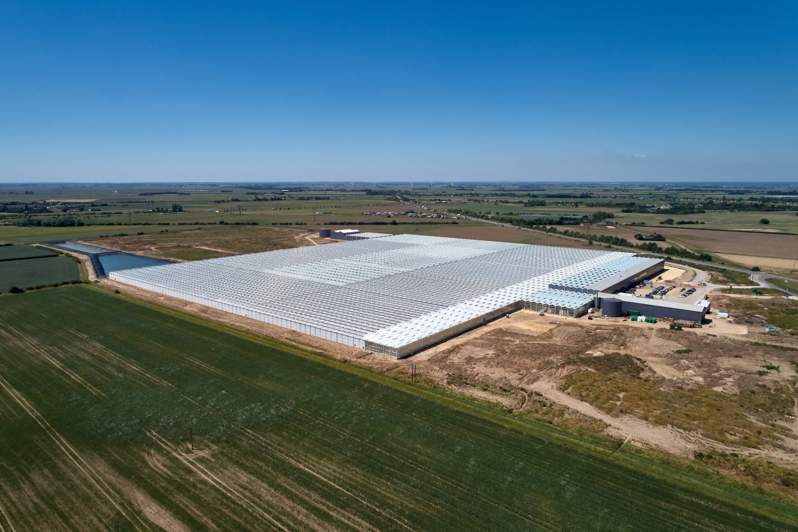 Add photo

 |  |  |  |  | Notes:
 |  |  |  |  | This template may require adjustments by individual operators to meet specific reporting requirements as defined in the site Permit(s)

Annual Performance Report 2023

Permit EPR/UP3205PX

Clay Lake Bank

Neame Lea Marketing

Year: | 2023

Address: | Clay Lake Bank, Spalding, Lincolnshire PE12 6RN

Tel: | 01775 768234

Email: | Jon.Margree@bridgefarmgroup.co.uk

Prepared by: | Jon Margree |  | Position: | Operations Director

Approved by: | Louise Motala |  | Position: | Managing Director

Version: | v1.2

Issue Date: | 24.02.23

Air (periodic)
Annual Performance Report 2023 | Clay Lake Bank

Emissions to Air (periodically monitored)

Summary of monitoring undertaken, standards used and compliance |  | Notes:
Extractive Testing conducted by Socotec MCERTS standards between November 30th and December 01st 2022. All readings were below the ELV.

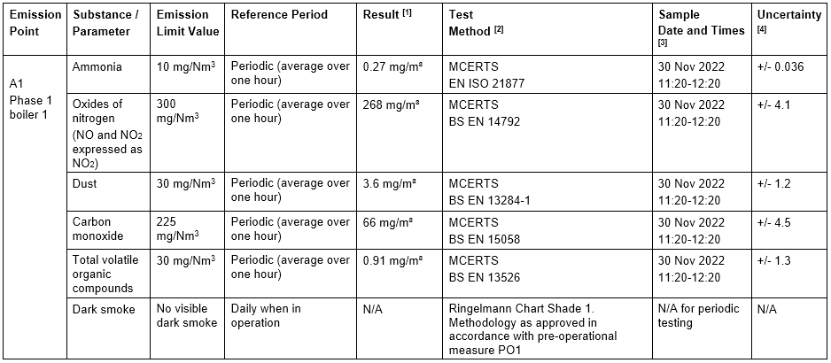

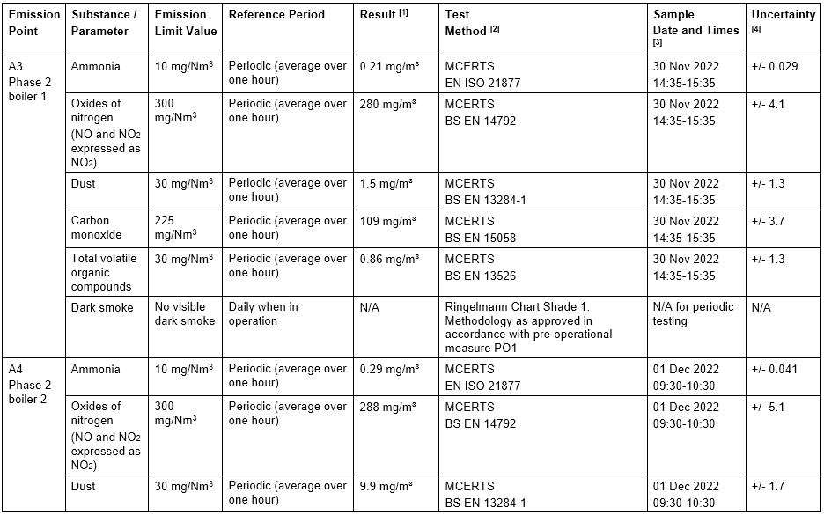

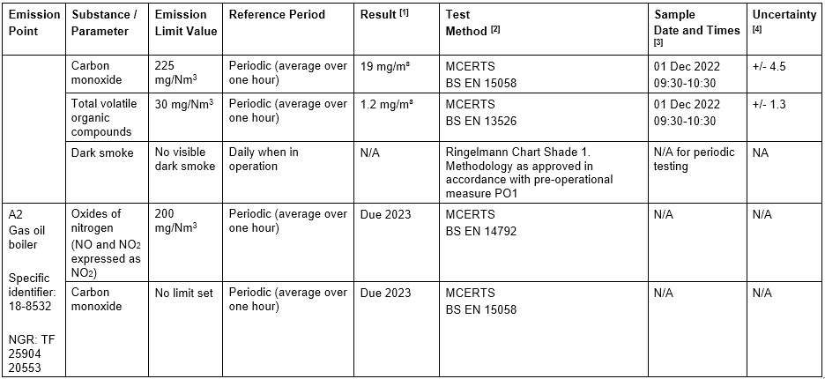

Comments :

